Sheet1
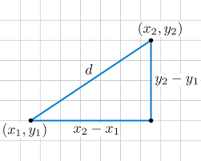
 | x | y |  |  |  | Manhattan
 | 3 | 4 |  | 32 |  | 8
 | 7 | 8 | Euclidian | 5.6568542495

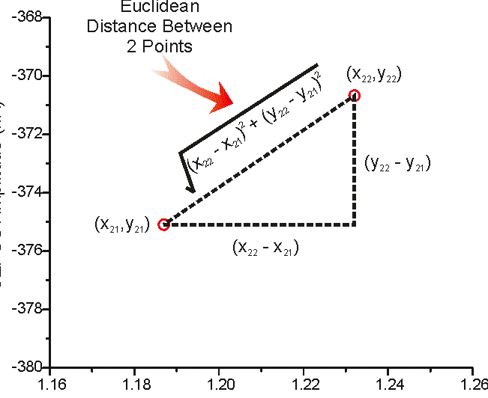
 | x | y | label
i | 3 | 4 | 0 |  | a(i) | 1.6205277698
 | 3.1 | 5 | 0 | 1.0049875621 | b(i) | 8.0277297192
 | 4 | 6 | 0 | 2.2360679775
 | 10 | 11 | 1
 | 9 | 10 | 1 |  | Silhoutte score |  | 0.79813374061
 | 8 | 7 | 1

 | 9 | 9.3333333333

